Case #1
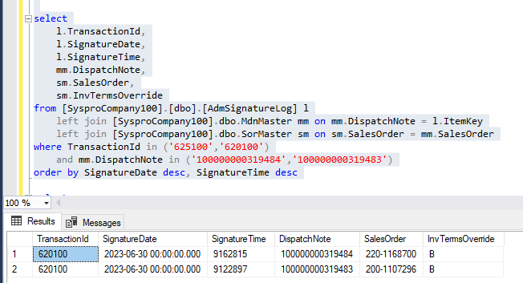
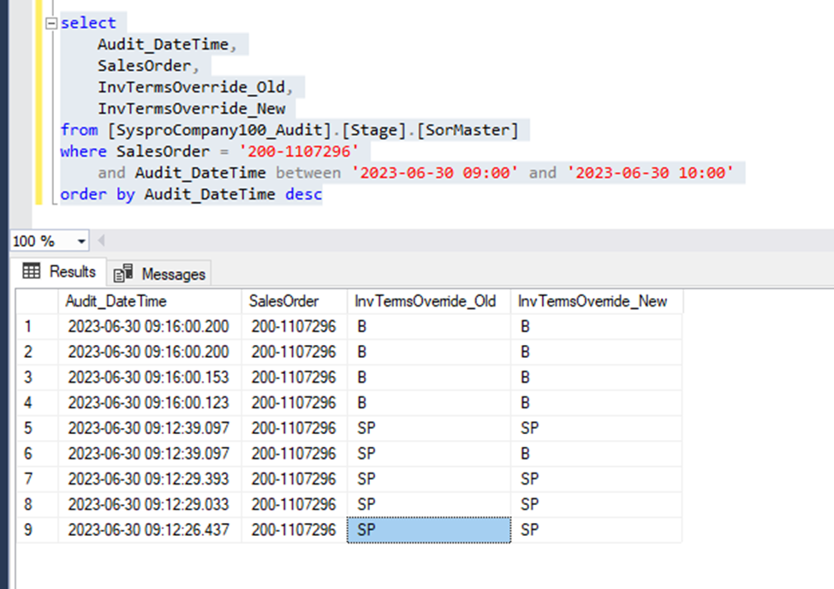
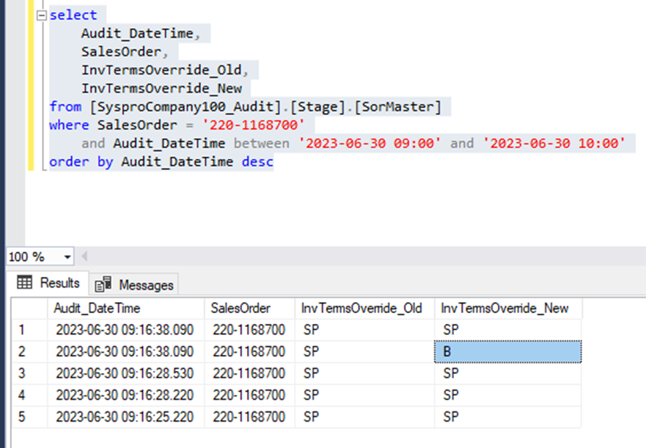
Justin Pope Dev Test
Test Case No. | 1
Process | Test Dispatching items for a split ship order
Test Consideration | 1) SSMS 2) Datascope 3) Syspro
Test Condition |  | Data Used | How To Verify | Actual Results
Tasks
1 | Dispatch partial order in datascope
2 | query data to verify terms update correctly |  |  | screen shots
Configuration/Data Setup for Testing Scenario
Verification
Test Cast Screens Shots Before and After

